BASE
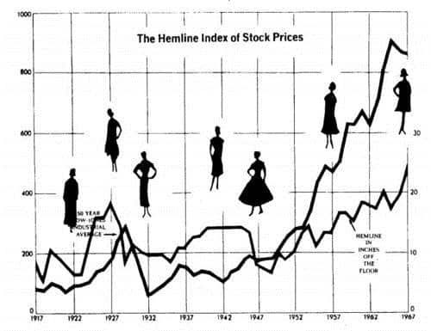
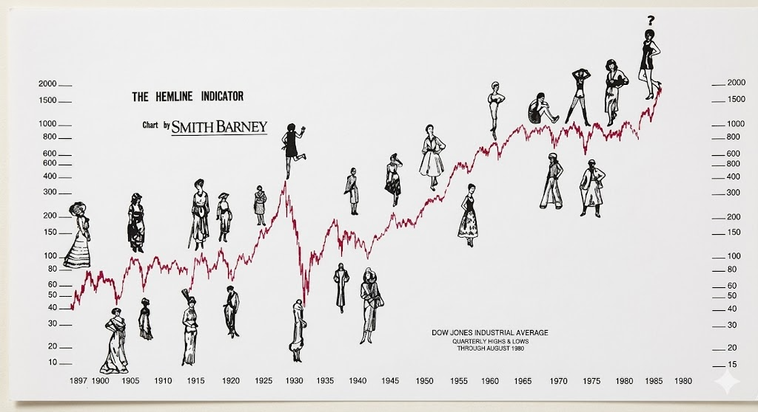
Concluded dataset from the years of hemline index |  |  |  |  | from 1957 - 1992

Hemline Index
Reversed Hemline Index
HEMLINE VALUES |  |  |  |  |  | Reverse Hemline Index
1957 | 4.5069924791 |  |  |  |  | 1.4930075209
1958 | 3.3896613191 |  |  |  |  | 2.6103386809
1959 | 3.608459665 |  |  |  |  | 2.391540335
1960 | 3.8824657812 |  |  |  |  | 2.1175342188
1961 | 3.6971654778 |  |  |  |  | 2.3028345222
1962 | 3.5887503218 |  |  |  |  | 2.4112496782
1963 | 3.891547619 |  |  |  |  | 2.108452381
1964 | 3.8921546547 |  |  |  |  | 2.1078453453
1965 | 3.9067995711 |  |  |  |  | 2.0932004289
1966 | 3.6269817085 |  |  |  |  | 2.3730182915
1967 | 2.6767500114 |  |  |  |  | 3.3232499886
1968 | 2.8725886943 |  |  |  |  | 3.1274113057
1969 | 3.0965169804 |  |  |  |  | 2.9034830196
1970 | 3.5081642378 |  |  |  |  | 2.4918357622
1971 | 3.9991792273 |  |  |  |  | 2.0008207727
1972 | 4.0442082426 |  |  |  |  | 1.9557917574
1973 | 3.7884354532 |  |  |  |  | 2.2115645468
1974 | 3.9653262169 |  |  |  |  | 2.0346737831
1975 | 4.2362554113 |  |  |  |  | 1.7637445887
1976 | 4.3291878669 |  |  |  |  | 1.6708121331
1977 | 4.0024220014 |  |  |  |  | 1.9975779986
1978 | 4.2721003899 |  |  |  |  | 1.7278996101
1979 | 3.8169386637 |  |  |  |  | 2.1830613363
1980 | 3.3644848712 |  |  |  |  | 2.6355151288
1981 | 3.5915664541 |  |  |  |  | 2.4084335459
1982 | 3.4245833915 |  |  |  |  | 2.5754166085
1983 | 3.4872193872 |  |  |  |  | 2.5127806128
1984 | 3.8565631277 |  |  |  |  | 2.1434368723
1985 | 3.6185334463 |  |  |  |  | 2.3814665537
1986 | 3.746520969 |  |  |  |  | 2.253479031
1987 | 2.9568527207 |  |  |  |  | 3.0431472793
1988 | 2.6739755161 |  |  |  |  | 3.3260244839
1989 | 3.19765335 |  |  |  |  | 2.80234665
1990 | 2.3771554555 |  |  |  |  | 3.6228445445
1991 | 1.7672542735 |  |  |  |  | 4.2327457265
1992 | 3.1885319067 |  |  |  |  | 2.8114680933

Lipstick Index
LIPSTICK INDEX |  | High | Low | Subtracting low luxuries from high value luxuries
1957 |  | 510 | 148 | 362
1958 |  | 274 | 78 | 196
1959 |  | 485 | 99 | 386
1960 |  | 461 | 119 | 342
1961 |  | 362 | 92 | 270
1962 |  | 326 | 114 | 212
1963 |  | 296 | 117 | 179
1964 |  | 273 | 123 | 150
1965 |  | 382 | 150 | 232
1966 |  | 349 | 163 | 186
1967 |  | 319 | 152 | 167
1968 |  | 247 | 171 | 76
1969 |  | 228 | 174 | 54
1970 |  | 161 | 195 | -34
1971 |  | 113 | 150 | -37
1972 |  | 259 | 192 | 67
1973 |  | 328 | 213 | 115
1974 |  | 324 | 169 | 155
1975 |  | 307 | 189 | 118
1976 |  | 211 | 276 | -65
1977 |  | 242 | 359 | -117
1978 |  | 253 | 316 | -63
1979 |  | 307 | 321 | -14
1980 |  | 218 | 355 | -137
1981 |  | 435 | 347 | 88
1982 |  | 443 | 373 | 70
1983 |  | 442 | 437 | 5
1984 |  | 445 | 426 | 19
1985 |  | 424 | 563 | -139
1986 |  | 467 | 416 | 51
1987 |  | 458 | 440 | 18
1988 |  | 337 | 442 | -105
1989 |  | 462 | 468 | -6
1990 |  | 613 | 407 | 206
1991 |  | 530 | 301 | 229
1992 |  | 537 | 298 | 239

